GuaraldiConsultants
All Consultants

Years of Service | Vacation Hours Used | Consultant Title
2.5 | 18.0 | Junior
2.6 | 26.0 | Junior
2.8 | 24.0 | Junior
4.0 | 26.0 | Junior
4.1 | 26.0 | Junior
4.3 | 29.0 | Junior
4.5 | 29.0 | Junior
4.8 | 22.0 | Junior
5.0 | 25.0 | Junior
5.2 | 27.0 | Junior
5.2 | 23.0 | Junior
5.3 | 30.0 | Junior
5.6 | 33.0 | Junior
5.7 | 33.0 | Junior
6.3 | 31.0 | Junior
6.5 | 36.0 | Junior
6.7 | 24.0 | Junior
6.8 | 22.0 | Junior
7.0 | 30.0 | Junior
7.1 | 33.0 | Junior
Divided by title
7.1 | 33.0 | Junior
7.2 | 21.0 | Junior
7.2 | 20.0 | Junior
7.2 | 26.0 | Junior
7.3 | 28.0 | Junior
7.5 | 40.0 | Junior
7.5 | 21.0 | Junior
7.5 | 21.0 | Junior
7.5 | 31.0 | Junior
7.6 | 31.0 | Junior
7.6 | 22.0 | Junior
7.8 | 27.0 | Junior
7.8 | 20.0 | Junior
7.8 | 28.0 | Junior
8.0 | 30.0 | Junior
8.1 | 20.0 | Junior
8.1 | 35.0 | Junior
8.1 | 27.0 | Junior
8.2 | 23.0 | Junior
8.2 | 24.0 | Junior
8.3 | 29.0 | Junior
8.3 | 33.0 | Junior
8.3 | 24.0 | Junior
8.5 | 28.0 | Junior
8.5 | 27.0 | Junior
8.6 | 28.0 | Junior
8.6 | 29.0 | Junior
8.6 | 22.0 | Junior
8.7 | 31.0 | Junior
8.7 | 26.0 | Junior
8.7 | 29.0 | Junior
8.7 | 25.0 | Junior
8.8 | 32.0 | Junior
8.8 | 34.0 | Junior
9.0 | 27.0 | Junior
9.6 | 36.0 | Junior
3.0 | 65.0 | Senior
3.0 | 57.0 | Senior
3.1 | 59.0 | Senior
3.2 | 61.0 | Senior
3.3 | 65.0 | Senior
3.3 | 51.0 | Senior
3.5 | 62.0 | Senior
3.5 | 53.0 | Senior
3.6 | 68.0 | Senior
3.6 | 50.0 | Senior
3.6 | 68.0 | Senior
3.6 | 60.0 | Senior
3.6 | 33.0 | Senior
3.7 | 59.0 | Senior
4.0 | 32.0 | Senior
4.1 | 24.0 | Senior
4.1 | 57.0 | Senior
4.1 | 64.0 | Senior
4.1 | 55.0 | Senior
4.2 | 26.0 | Senior
4.2 | 72.0 | Senior
4.2 | 39.0 | Senior
4.3 | 38.0 | Senior
4.5 | 65.0 | Senior
4.5 | 72.0 | Senior
4.5 | 55.0 | Senior
4.5 | 76.0 | Senior
4.5 | 39.0 | Senior
4.6 | 58.0 | Senior
4.6 | 53.0 | Senior
4.6 | 67.0 | Senior
4.6 | 43.0 | Senior
4.8 | 73.0 | Senior
4.8 | 40.0 | Senior
5.0 | 62.0 | Senior
5.0 | 77.0 | Senior
5.0 | 44.0 | Senior
5.1 | 38.0 | Senior
5.1 | 37.0 | Senior
5.2 | 57.0 | Senior
5.2 | 65.0 | Senior
5.3 | 44.0 | Senior
5.5 | 56.0 | Senior
5.5 | 37.0 | Senior
5.6 | 79.0 | Senior
5.7 | 53.0 | Senior
5.8 | 74.0 | Senior
6.1 | 50.0 | Senior
6.2 | 73.0 | Senior
6.5 | 54.0 | Senior
6.6 | 89.0 | Senior
6.7 | 48.0 | Senior
7.0 | 45.0 | Senior
7.3 | 49.0 | Senior
7.5 | 76.0 | Senior

PositiveOhioChart
Positivity Rate for COVID-19 in Ohio Percent Positive Tests
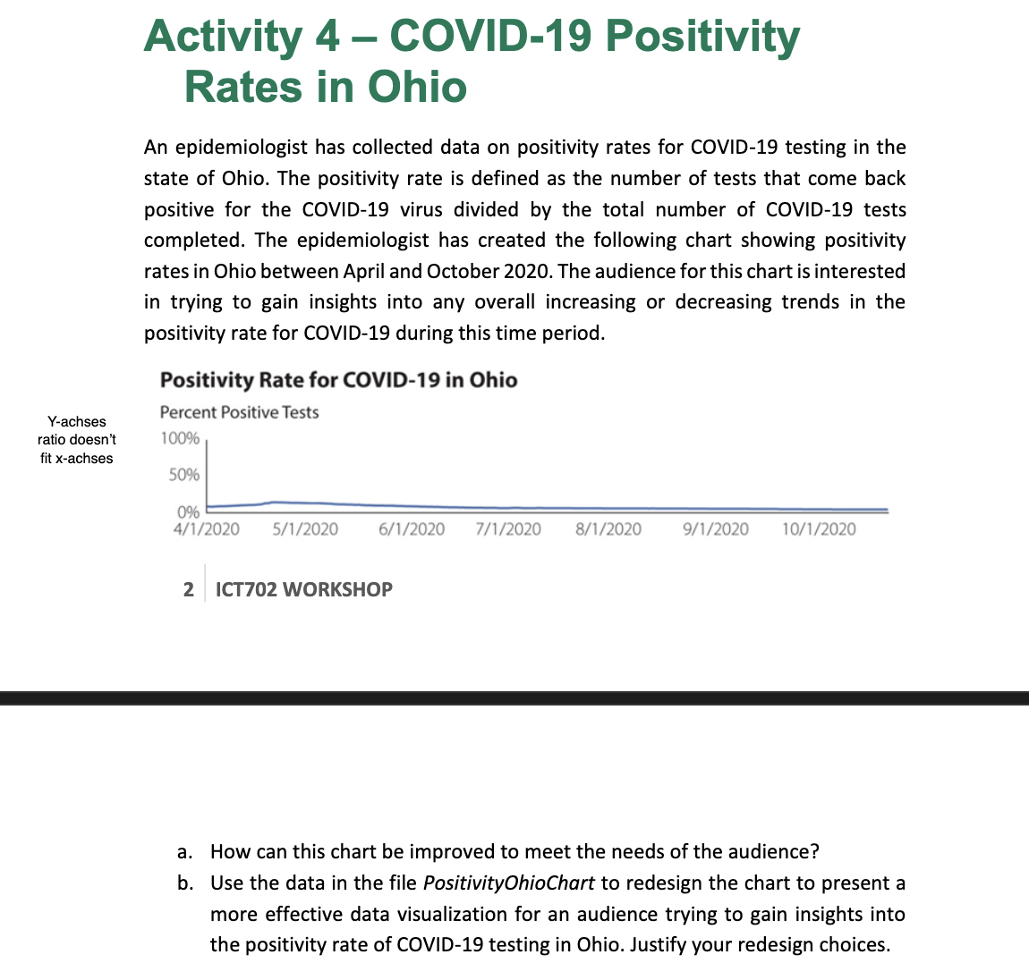
Date | Positivity Rate
2020-04-01 | 8.6%
2020-04-02 | 8.3%
2020-04-03 | 8.6%
2020-04-04 | 8.9%
2020-04-05 | 9.2%
2020-04-06 | 9.2%
2020-04-07 | 9.4%
2020-04-08 | 9.7%
2020-04-09 | 9.8%
2020-04-10 | 10.0%
2020-04-11 | 10.3%
2020-04-12 | 10.4%
2020-04-13 | 10.7%
2020-04-14 | 10.7%
Positivity Rate for COVID-19 in Ohio Percent Positive Tests
2020-04-15 | 10.9%
2020-04-16 | 11.2%
2020-04-17 | 11.7%
2020-04-18 | 12.9%
2020-04-19 | 13.3%
2020-04-20 | 14.2%
2020-04-21 | 14.5%
2020-04-22 | 14.3%
2020-04-23 | 14.3%
2020-04-24 | 14.1%
2020-04-25 | 13.9%
2020-04-26 | 13.7%
2020-04-27 | 13.6%
2020-04-28 | 13.6%
2020-04-29 | 13.4%
2020-04-30 | 13.5%
2020-05-01 | 13.3%
2020-05-02 | 13.3%
2020-05-03 | 13.3%
2020-05-04 | 13.2%
2020-05-05 | 13.0%
2020-05-06 | 12.8%
2020-05-07 | 12.6%
2020-05-08 | 12.5%
2020-05-09 | 12.0%
2020-05-10 | 11.8%
2020-05-11 | 11.8%
2020-05-12 | 11.6%
2020-05-13 | 11.4%
2020-05-14 | 11.3%
2020-05-15 | 10.9%
2020-05-16 | 11.1%
2020-05-17 | 10.6%
2020-05-18 | 10.5%
2020-05-19 | 10.4%
2020-05-20 | 10.2%
2020-05-21 | 10.1%
2020-05-22 | 10.0%
2020-05-23 | 9.9%
2020-05-24 | 9.8%
2020-05-25 | 9.8%
2020-05-26 | 9.7%
2020-05-27 | 9.6%
2020-05-28 | 9.4%
2020-05-29 | 9.3%
2020-05-30 | 9.2%
2020-05-31 | 9.1%
2020-06-01 | 9.0%
2020-06-02 | 8.9%
2020-06-03 | 8.6%
2020-06-04 | 8.5%
2020-06-05 | 8.5%
2020-06-06 | 8.3%
2020-06-07 | 8.2%
2020-06-08 | 8.1%
2020-06-09 | 8.0%
2020-06-10 | 7.9%
2020-06-11 | 7.8%
2020-06-12 | 7.7%
2020-06-13 | 7.6%
2020-06-14 | 7.5%
2020-06-15 | 7.5%
2020-06-16 | 7.4%
2020-06-17 | 7.3%
2020-06-18 | 7.2%
2020-06-19 | 7.1%
2020-06-20 | 7.0%
2020-06-21 | 7.0%
2020-06-22 | 6.9%
2020-06-23 | 6.9%
2020-06-24 | 6.9%
2020-06-25 | 6.8%
2020-06-26 | 6.7%
2020-06-27 | 6.6%
2020-06-28 | 6.6%
2020-06-29 | 6.6%
2020-06-30 | 6.6%
2020-07-01 | 6.7%
2020-07-02 | 6.8%
2020-07-03 | 6.7%
2020-07-04 | 6.6%
2020-07-05 | 6.6%
2020-07-06 | 6.6%
2020-07-07 | 6.6%
2020-07-08 | 6.6%
2020-07-09 | 6.7%
2020-07-10 | 6.6%
2020-07-11 | 6.5%
2020-07-12 | 6.5%
2020-07-13 | 6.5%
2020-07-14 | 6.5%
2020-07-15 | 6.5%
2020-07-16 | 6.5%
2020-07-17 | 6.5%
2020-07-18 | 6.5%
2020-07-19 | 6.4%
2020-07-20 | 6.4%
2020-07-21 | 6.4%
2020-07-22 | 6.4%
2020-07-23 | 6.4%
2020-07-24 | 6.4%
2020-07-25 | 6.4%
2020-07-26 | 6.3%
2020-07-27 | 6.3%
2020-07-28 | 6.2%
2020-07-29 | 6.2%
2020-07-30 | 6.2%
2020-07-31 | 6.2%
2020-08-01 | 6.2%
2020-08-02 | 6.1%
2020-08-03 | 6.1%
2020-08-04 | 6.1%
2020-08-05 | 6.1%
2020-08-06 | 6.1%
2020-08-07 | 6.1%
2020-08-08 | 6.1%
2020-08-09 | 6.0%
2020-08-10 | 6.0%
2020-08-11 | 6.0%
2020-08-12 | 6.0%
2020-08-13 | 6.0%
2020-08-14 | 6.0%
2020-08-15 | 6.0%
2020-08-16 | 5.9%
2020-08-17 | 5.9%
2020-08-18 | 5.9%
2020-08-19 | 5.9%
2020-08-20 | 5.9%
2020-08-21 | 5.8%
2020-08-22 | 5.8%
2020-08-23 | 5.8%
2020-08-24 | 5.8%
2020-08-25 | 5.7%
2020-08-26 | 5.7%
2020-08-27 | 5.6%
2020-08-28 | 5.6%
2020-08-29 | 5.6%
2020-08-30 | 5.6%
2020-08-31 | 5.5%
2020-09-01 | 5.5%
2020-09-02 | 5.5%
2020-09-03 | 5.5%
2020-09-04 | 5.5%
2020-09-05 | 5.5%
2020-09-06 | 5.4%
2020-09-07 | 5.4%
2020-09-08 | 5.4%
2020-09-09 | 5.4%
2020-09-10 | 5.4%
2020-09-11 | 5.4%
2020-09-12 | 5.3%
2020-09-13 | 5.3%
2020-09-14 | 5.3%
2020-09-15 | 5.2%
2020-09-16 | 5.2%
2020-09-17 | 5.2%
2020-09-18 | 5.2%
2020-09-19 | 5.1%
2020-09-20 | 5.1%
2020-09-21 | 5.1%
2020-09-22 | 5.0%
2020-09-23 | 5.0%
2020-09-24 | 5.0%
2020-09-25 | 5.0%
2020-09-26 | 4.9%
2020-09-27 | 4.9%
2020-09-28 | 4.9%
2020-09-29 | 4.9%
2020-09-30 | 4.9%
2020-10-01 | 4.8%
2020-10-02 | 4.8%
2020-10-03 | 4.8%
2020-10-04 | 4.7%
2020-10-05 | 4.7%
2020-10-06 | 4.7%
2020-10-07 | 4.7%
2020-10-08 | 4.7%
2020-10-09 | 4.7%
2020-10-10 | 4.7%
2020-10-11 | 4.7%
2020-10-12 | 4.6%
2020-10-13 | 4.6%
2020-10-14 | 4.7%
2020-10-15 | 4.7%
2020-10-16 | 4.7%
2020-10-17 | 4.7%
2020-10-18 | 4.7%
2020-10-19 | 4.7%
2020-10-20 | 4.7%
2020-10-21 | 4.7%

MaximusFashionChart
Number of Retail Associates and Revenue at Maximus Fashion Headcount (FTE)

Quarter | Retail Associates Headcount (FTE) | Revenues ($)
1 | 14 | 815,000
2 | 16 | 828,000
3 | 18 | 820,000
4 | 16 | 741,000
5 | 12 | 721,000
6 | 8 | 735,000
7 | 10 | 731,000
8 | 12 | 728,000

Number of Retail Associates and Revenue at Maximus Fashion Headcount (FTE)

